Cost Summary
This form should self-complete as you fill out the electronic BOM
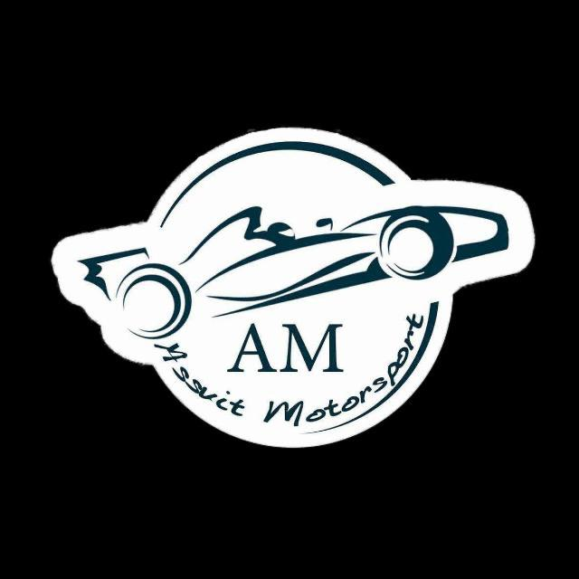
Cost Summary Basics

FOR:EVER IV | University of Assuit

Area Totals |  | Materials | Processes | Fasteners | Tooling | Total
 | Motor & Drivetrain | $4,021.000 | $4.800 | $1.920 | $- | $4,027.740
 | Sensor | $2,622.580 | $- | $- | $- | $2,622.580
 | Instruments & Wiring | $3,922.330 | $10.120 | $159.160 | $- | $4,092.030
 | Acuators | $100.000 | $190.000 | $68.000 | $60.000 | $1,188.000
 | Safety System | $- | $- | $- | $- | $515.000
 | Material | $300.000 | $600.000 | $196.000 | $480.000 | $1,576.000
 | Total Vehicle | $10,965.910 | $804.920 | $425.080 | $540.000 | $14,021.350

 |  |  | gg
Composition for total vehicle:

